Info
HIGHLIGHT |  |  |  | Version 2.1. Apr 4, 2010
- a VBA program for sequential highlighting of subsets of data

Program development: Anders Grimvall
Department of Computer and Information Science, Linköping University

The main output of HIGHLIGHT is an animated bubble-chart.
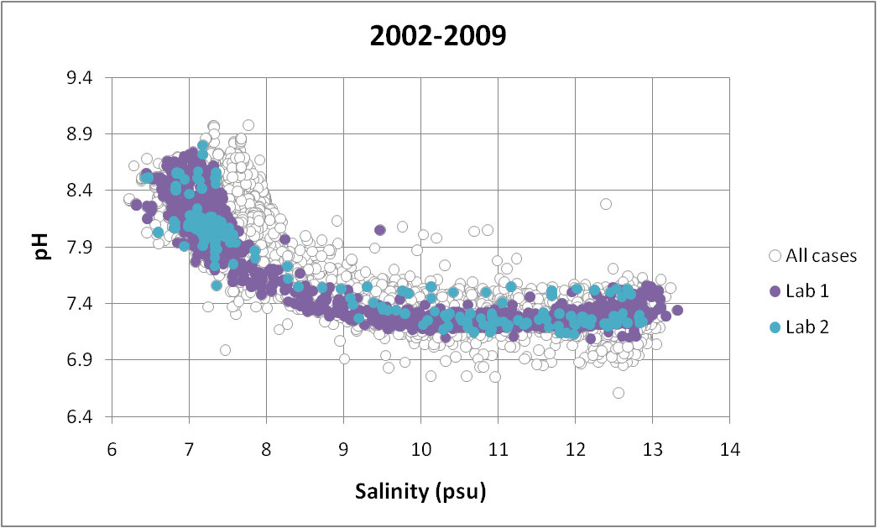

The open markers represent the set of all observed cases and is fixed throughout the animation.

The sets of solid markers, which represent subsets of observations, are updated when the value of
an animation key (shown in the chart title) is updated.

A group variable can be used to assign different markers to different groups of observations.
A bubble-size variable can provide additional information about the displayed cases.

A VBA macro attached to the worksheet "Input data" is used to select variables for the animation
and make a standardized table of the selected data in a new worksheet called "Animation".

Four control buttons and three scroll-bars attached to the "Animation" sheet can then be used
to produce motion-charts.

Inputs to HIGHLIGHT are pasted as a table where each row represents a case and each column
a variable. The first row is used for variable names, and blank cells stand for missing values.

 | Year | Month | Lab | Water_temp. | pH | Salinity
 | 1994 | 2 | Lab 1 | 3.5 | 7.8 | 9.4
 | 1994 | 8 | Lab 2 | 14.1 | 8.7 | 9.0
 | 1997 | 2 | Lab 1 | 4.1 | 7.6 | 10.1
 | 1997 | 8 | Lab 2 | 10.9 | 8.4 | 10.3
 | 2000 | 2 | Lab 1 | 2.9 | 6.1 | 8.8
 | 2000 | 8 | Lab 1 | 11.7
 | 2005 | 8 | Lab 2 | 8.5 | 8.5 | 8.6
 | 2007 | 8 | Lab 1 | 8.3 | 7.3 | 8.7
 | 2009 | 4 | Lab 2 | 6.0 | 7.0 | 9.6
 | 2009 | 4 | Lab 2 | 6.1 | 8.1 | 9.8
 | . | . | . | . | . | .

The VBA macros are developed for a PC on which Excel 2007 is installed.
A relatively fast PC can handle datasets comprising up to about 100,000 cases.

